2025 Spring Corn
University of Florida/Institute of Food and Agricultural Sciences

Results from the 2025 Spring Corn hybrid test
Marcelo Wallau, Diwakar Vyas and Maria Elena Mailhos

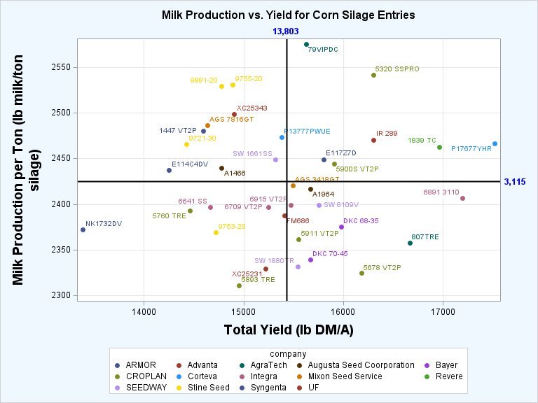
Company | Hybrid | Relative maturity | Total Production |  | Milk production per ton | Milk production per acre |  | DM at harvest |  | NEl |  | CP |  | Starch |  | WSC |  | ADF | Ash |  | aNDF | NDFD30 |  | Top performing (chart)§
 |  |  | lb DM/A |  | lb milk/ton silage | lb milk/A |  | % |  | Mcal/100 lb DM |  | ------------------------------------------------------------------ % DM --------------------------------------------------------------------- |  |  |  |  |  |  |  |  |  | % NDF
ARMOR | 1447 VT2P | 114 | 14,593 |  | 2,480 | 18,153 |  | 36.8 |  | 0.61 |  | 8.0 |  | 29.6 |  | 7.5 |  | 22.2 | 2.3 |  | 43.2 | 42.5
Advanta | XC25231 | 117 | 15,222 |  | 2,329 | 17,686 |  | 37.8 |  | 0.57 |  | 8.8 | * | 22.9 |  | 7.4 |  | 25.2 | 3.0 | * | 48.6 | 49.3
Advanta | XC25343 | 117 | 14,906 |  | 2,498 | 19,038 |  | 34.6 |  | 0.61 | * | 8.0 |  | 29.1 | * | 8.1 |  | 22.1 | 2.0 |  | 43.9 | 46.6
AgraTech | 79VIPDC | 115 | 15,631 |  | 2,575 | 20,217 |  | 35.2 |  | 0.63 |  | 7.7 |  | 32.5 |  | 7.1 |  | 20.8 | 2.1 |  | 40.5 | 43.7 |  | **
AgraTech | 807TRE | 118 | 16,668 |  | 2,358 | 19,728 |  | 38.0 |  | 0.58 |  | 8.1 |  | 25.2 |  | 6.1 |  | 25.3 | 2.5 |  | 47.8 | 45.8
Augusta Seed Coorporation | A1466 | 116 | 14,781 |  | 2,440 | 18,076 |  | 37.4 |  | 0.60 |  | 7.6 |  | 29.0 |  | 6.5 |  | 23.1 | 2.4 |  | 45.0 | 46.9
Augusta Seed Coorporation | A1964 | 114 | 15,673 |  | 2,417 | 18,887 |  | 35.6 |  | 0.59 |  | 7.4 |  | 26.5 |  | 9.0 |  | 24.1 | 2.2 |  | 44.6 | 42.9
Bayer | DKC 68-35 | 118 | 15,982 |  | 2,375 | 18,973 |  | 37.6 |  | 0.58 |  | 7.0 |  | 25.9 |  | 7.0 |  | 25.1 | 2.0 |  | 47.5 | 46.6
Bayer | DKC 70-45 | 120 | 15,673 |  | 2,340 | 18,373 |  | 37.2 |  | 0.57 |  | 7.5 |  | 25.6 |  | 6.3 |  | 25.6 | 2.0 |  | 47.9 | 43.6
CROPLAN | 5320 SSPRO | 113 | 16,301 |  | 2,541 | 20,861 | * | 36.4 |  | 0.62 |  | 7.8 |  | 30.4 |  | 8.8 |  | 21.0 | 2.4 |  | 41.8 | 46.3 |  | **
CROPLAN | 5678 VT2P | 116 | 16,180 |  | 2,324 | 18,625 |  | 33.7 |  | 0.57 |  | 7.6 |  | 22.3 |  | 10.4 | * | 25.5 | 2.4 |  | 47.7 | 43.8
CROPLAN | 5760 TRE | 117 | 14,460 |  | 2,393 | 17,313 |  | 36.1 |  | 0.58 |  | 7.3 |  | 25.7 |  | 7.6 |  | 24.3 | 2.1 |  | 46.0 | 43.8
CROPLAN | 5893 TRE | 118 | 14,953 |  | 2,311 | 17,257 |  | 36.8 |  | 0.56 |  | 7.9 |  | 23.6 |  | 6.3 |  | 26.5 | 2.6 |  | 48.7 | 45.3
CROPLAN | 5900S VT2P | 119 | 15,912 |  | 2,444 | 19,448 |  | 34.2 |  | 0.60 |  | 8.0 |  | 26.9 |  | 9.4 |  | 23.2 | 2.2 |  | 44.4 | 43.7 |  | **
CROPLAN | 5911 VT2P | 119 | 15,554 |  | 2,362 | 18,460 |  | 36.0 |  | 0.58 |  | 8.1 |  | 25.7 |  | 6.1 |  | 25.3 | 2.4 |  | 47.6 | 45.4
Corteva | P13777PWUE | 113 | 15,383 |  | 2,473 | 19,101 |  | 35.9 |  | 0.60 |  | 8.1 |  | 28.9 |  | 7.1 |  | 22.6 | 2.7 |  | 43.8 | 47.3
Corteva | P17677YHR | 117 | 17,519 | * | 2,466 | 21,651 | * | 32.6 |  | 0.60 |  | 8.1 |  | 27.7 |  | 7.5 |  | 23.3 | 2.5 |  | 43.9 | 46.1 |  | **
Integra | 6641 SS | 116 | 14,665 |  | 2,397 | 17,631 |  | 35.2 |  | 0.59 |  | 7.3 |  | 26.7 |  | 6.7 |  | 24.3 | 2.3 |  | 45.3 | 42.3
Integra | 6709 VT2P | 117 | 15,247 |  | 2,396 | 18,278 |  | 34.0 |  | 0.59 |  | 7.9 |  | 24.0 |  | 10.8 | * | 23.8 | 2.4 |  | 46.0 | 46.7
Integra | 6891 3110 | 118 | 17,198 | * | 2,406 | 20,659 |  | 33.7 |  | 0.59 |  | 7.7 |  | 24.6 |  | 9.5 |  | 24.2 | 2.5 |  | 45.8 | 46.8
Integra | 6915 VT2P | 119 | 15,474 |  | 2,399 | 18,534 |  | 36.8 |  | 0.59 |  | 8.1 |  | 26.2 |  | 6.6 |  | 24.2 | 2.3 |  | 46.5 | 45.6
Mixon Seed Service | AGS 3418GT | 118 | 15,498 |  | 2,420 | 18,779 |  | 33.5 |  | 0.59 |  | 7.3 |  | 25.5 |  | 8.4 |  | 23.5 | 2.0 |  | 45.6 | 45.0
Mixon Seed Service | AGS 7816GT | 116 | 14,635 |  | 2,486 | 18,207 |  | 36.1 |  | 0.61 |  | 7.6 |  | 29.6 |  | 7.2 |  | 22.4 | 2.1 |  | 43.9 | 45.6
Revere | 1839 TC | 118 | 16,967 | * | 2,463 | 20,950 | * | 37.2 |  | 0.60 |  | 7.6 |  | 29.7 |  | 5.8 |  | 23.2 | 2.1 |  | 44.1 | 43.6 |  | **
SEEDWAY | SW 1661SS | 116 | 15,317 |  | 2,449 | 18,836 |  | 35.4 |  | 0.60 |  | 7.4 |  | 28.4 |  | 6.9 |  | 23.7 | 2.1 |  | 44.2 | 42.8
SEEDWAY | SW 1880TR | 118 | 15,546 |  | 2,332 | 18,117 |  | 38.4 | * | 0.57 |  | 7.4 |  | 25.3 |  | 5.7 |  | 26.2 | 2.4 |  | 47.7 | 43.8
SEEDWAY | SW 8109V | 117 | 15,756 |  | 2,399 | 18,921 |  | 34.1 |  | 0.59 |  | 8.2 |  | 24.2 |  | 10.1 | * | 23.7 | 2.2 |  | 46.9 | 49.6 | *
Stine Seed | 9721-30 | 112 | 14,426 |  | 2,465 | 17,927 |  | 37.1 |  | 0.60 |  | 7.4 |  | 28.4 |  | 7.7 |  | 22.7 | 2.2 |  | 43.6 | 44.1
Stine Seed | 9753-20 | 116 | 14,724 |  | 2,369 | 17,417 |  | 41.6 | * | 0.58 |  | 7.7 |  | 25.3 |  | 6.8 |  | 25.2 | 2.2 |  | 47.7 | 47.0
Stine Seed | 9755-20 | 111 | 14,890 |  | 2,530 | 18,943 |  | 37.4 |  | 0.62 |  | 8.1 |  | 29.6 |  | 7.9 |  | 21.3 | 2.4 |  | 42.2 | 45.1
Stine Seed | 9891-20 | 119 | 14,775 |  | 2,529 | 18,772 |  | 36.5 |  | 0.62 |  | 8.4 |  | 28.2 |  | 8.7 |  | 21.1 | 2.4 |  | 42.7 | 48.3
Syngenta | E114C4DV | 114 | 14,254 |  | 2,437 | 17,388 |  | 35.5 |  | 0.60 |  | 7.9 |  | 25.7 |  | 9.7 |  | 23.0 | 2.5 |  | 44.8 | 48.5
Syngenta | E117Z7D | 117 | 15,802 |  | 2,449 | 19,451 |  | 36.7 |  | 0.60 |  | 7.4 |  | 30.1 |  | 6.6 |  | 23.0 | 2.3 |  | 43.7 | 41.8 |  | **
Syngenta | NK1732DV | 117 | 13,387 |  | 2,372 | 15,890 |  | 37.4 |  | 0.58 |  | 8.1 |  | 24.7 |  | 8.8 |  | 24.4 | 2.8 |  | 46.5 | 47.8
University of Florida | FM686 | 120 | 15,410 |  | 2,388 | 18,438 |  | 32.6 |  | 0.58 |  | 8.1 |  | 21.1 |  | 8.7 |  | 25.2 | 2.0 |  | 48.3 | 49.6 | *
University of Florida | IR 289 | 120 | 16,306 |  | 2,470 | 20,270 |  | 33.4 |  | 0.60 |  | 8.9 | * | 23.1 |  | 10.2 | * | 23.0 | 1.9 |  | 46.8 | 53.6 | * | **
Mean |  |  | 15,435 |  | 2,425 | 18,757 |  | 36.0 |  | 0.59 |  | 7.8 |  | 26.6 |  | 7.8 |  | 23.7 | 2.3 |  | 45.4 | 45.7
SE |  |  | 886 |  | 118 | 1,353 |  | 1.5 |  | 0.04 |  | 0.5 |  | 5.3 |  | 1.0 |  | 2.3 | 0.4 |  | 3.5 | 1.9
* indicates hybrids that performed similarly to the best hybrid, according to F-test at P < 0.05; All mean reported are Least Square Means.
§Hybrids marked with "**" are on the top right quadrant of the production chart, with superior biomass production and superior milk production per ton of silage compared to averages.

Parameters:
Milk per ton of silage' and 'Milk per acre of silage yield' were calculated using the Milk2024 formulas from the University of Wisconsin
DM, dry matter (%); NEl, net energy for lactation (Mcal/100 lb DM); CP, crude protein (% DM); starch (% DM); WSC, water soluble carbohydrates (% DM);
ADF, acid detergent fiber (% DM); ash (% DM); aNDF, amylase-corrected neutral detergent fiber (% DM); NDFD30, NDF digestibility (as % of NDF) at 30 h in rumen.

Disclosure
This hybrid test is conducted independently by UF/IFAS faculty and is open for all seed companies to enter hybrids for the test.

Management information
Trial was conducted at the Plant Science Research and Education Unit, in Citra, FL
Planting date March 26st, 2025.
Planting rate was 32,600 seeds/A, 30-in rows.
Fertilizer Application lb/A -N 280; P 56; K 225; divided in pre-incorporated, starter and 4 other applications.
Pesticide application - Dual II Magnum and Prowl H2O at planting; GLY-4 Plus 1 month after planting; Headline SC, and Headline Amp.
Trial was irrigated as needed.
Harvest occurred between July 1st-3rd, 2025.

Contact
For more information, contact forages@ifas.ufl.edu

